Лист1
 |  | ERROR(Vw_tk) |  | ERROR(avoid)
 |  | 135.75112294 |  | 135.75112294

 | Vw_in_tank | Vtank_calk | Ptk | pls | Pprev | consume/10
0 | 3.4285714286 | 6.8571428571 | 2.8 |  | 2 | 2
0.1 | 3.4612380952 | 6.8571428571 | 3.3664148906 | 0 | 2 | 2
0.2 | 3.4939047619 | 6.8571428571 | 3.3728543226 | 0 | 2 | 2
0.3 | 3.5265714286 | 6.8571428571 | 3.3793184371 | 0 | 2 | 2
0.4 | 3.5592380952 | 6.8571428571 | 3.3858073762 | 0 | 2 | 2
0.5 | 3.5919047619 | 6.8571428571 | 3.3923212833 | 0 | 2 | 2
0.6 | 3.6245714286 | 6.8571428571 | 3.3988603028 | 0 | 2 | 2
0.7 | 3.6572380952 | 6.8571428571 | 3.4054245801 | 0 | 2 | 2
0.8 | 3.6899047619 | 6.8571428571 | 3.4120142619 | 0 | 2 | 2
0.9 | 3.7225714286 | 6.8571428571 | 3.4186294959 | 0 | 2 | 2
1 | 3.7552380952 | 6.8571428571 | 3.425270431 | 0 | 2 | 2
1.1 | 3.7879047619 | 6.8571428571 | 3.4319372173 | 0 | 2 | 2
1.2 | 3.8205714286 | 6.8571428571 | 3.4386300061 | 0 | 2 | 2
1.3 | 3.8532380952 | 6.8571428571 | 3.4453489498 | 0 | 2 | 2
1.4 | 3.8859047619 | 6.8571428571 | 3.452094202 | 0 | 2 | 2
1.5 | 3.9185714286 | 6.8571428571 | 3.4588659175 | 0 | 2 | 2
1.6 | 3.9512380952 | 6.8571428571 | 3.4656642523 | 0 | 2 | 2
1.7 | 3.9839047619 | 6.8571428571 | 3.4724893638 | 0 | 2 | 2
1.8 | 4.0165714286 | 6.8571428571 | 3.4793414104 | 0 | 2 | 2
1.9 | 4.0492380952 | 6.8571428571 | 3.4862205519 | 0 | 2 | 2
2 | 4.0819047619 | 6.8571428571 | 3.4931269493 | 0 | 2 | 2
2.1 | 4.1145714286 | 6.8571428571 | 3.5000607649 | 0 | 2 | 2
2.2 | 4.1472380952 | 6.8571428571 | 3.5070221624 | 0 | 2 | 2
2.3 | 4.1799047619 | 6.8571428571 | 3.5140113067 | 0 | 2 | 2
2.4 | 4.2125714286 | 6.8571428571 | 3.5210283638 | 0 | 2 | 2
2.5 | 4.2452380952 | 6.8571428571 | 3.5280735015 | 0 | 2 | 2
2.6 | 4.2779047619 | 6.8571428571 | 3.5351468886 | 0 | 2 | 2
2.7 | 4.3105714286 | 6.8571428571 | 3.5422486954 | 0 | 2 | 2
2.8 | 4.3432380952 | 6.8571428571 | 3.5493790934 | 0 | 2 | 2
2.9 | 4.3759047619 | 6.8571428571 | 3.5565382557 | 0 | 2 | 2
3 | 4.4085714286 | 6.8571428571 | 3.5637263567 | 0 | 2 | 2
3.1 | 4.4412380952 | 6.8571428571 | 3.5709435722 | 0 | 2 | 2
3.2 | 4.4739047619 | 6.8571428571 | 3.5781900795 | 0 | 2 | 2
3.3 | 4.5065714286 | 6.8571428571 | 3.5854660572 | 0 | 2 | 2
3.4 | 4.5392380952 | 6.8571428571 | 3.5927716855 | 0 | 2 | 2
3.5 | 4.5719047619 | 6.8571428571 | 3.600107146 | 0 | 2 | 2
3.6 | 4.6045714286 | 6.8571428571 | 3.6074726219 | 0 | 2 | 2
3.7 | 4.6372380952 | 6.8571428571 | 3.6148682976 | 0 | 2 | 2
3.8 | 4.6699047619 | 6.8571428571 | 3.6222943593 | 0 | 2 | 2
3.9 | 4.7025714286 | 6.8571428571 | 3.6297509948 | 0 | 2 | 2
4 | 4.7352380952 | 6.8571428571 | 3.6372383931 | 0 | 2 | 2
4.1 | 4.7679047619 | 6.8571428571 | 3.644756745 | 0 | 2 | 2
4.2 | 4.8005714286 | 6.8571428571 | 3.652306243 | 0 | 2 | 2
4.3 | 4.8332380952 | 6.8571428571 | 3.6598870809 | 0 | 2 | 2
4.4 | 4.8659047619 | 6.8571428571 | 3.6674994542 | 0 | 2 | 2
4.5 | 4.8985714286 | 6.8571428571 | 3.6751435603 | 0 | 2 | 2
4.6 | 4.9312380952 | 6.8571428571 | 3.6828195979 | 0 | 2 | 2
4.7 | 4.9639047619 | 6.8571428571 | 3.6905277674 | 0 | 2 | 2
4.8 | 4.9965714286 | 6.8571428571 | 3.6982682712 | 0 | 2 | 2
4.9 | 5.0292380952 | 6.8571428571 | 3.706041313 | 0 | 2 | 2
...
Vwt_calk | Vwt_calk_evoid | err | err_abs | DELTA_Pprev | err_abs_avoid
6.8571428571 | 6.8571428571 | 0 | 0 | 0 | 0
6.8571428571 | 6.8571428571 | 0 | 0 | 0 | 0
6.8571428571 | 6.8571428571 | 0 | 0 | 0 | 0
6.8571428571 | 6.8571428571 | 0 | 0 | 0 | 0
6.8571428571 | 6.8571428571 | 0 | 0 | 0 | 0
6.8571428571 | 6.8571428571 | 0 | 0 | 0 | 0
6.8571428571 | 6.8571428571 | 0 | 0 | 0 | 0
6.8571428571 | 6.8571428571 | 0 | 0 | 0 | 0
6.8571428571 | 6.8571428571 | 0 | 0 | 0 | 0
6.8571428571 | 6.8571428571 | 0 | 0 | 0 | 0
6.8571428571 | 6.8571428571 | 0 | 0 | 0 | 0
6.8571428571 | 6.8571428571 | 0 | 0 | 0 | 0
6.8571428571 | 6.8571428571 | 0 | 0 | 0 | 0
6.8571428571 | 6.8571428571 | 0 | 0 | 0 | 0
6.8571428571 | 6.8571428571 | 0 | 0 | 0 | 0
6.8571428571 | 6.8571428571 | 0 | 0 | 0 | 0
6.8571428571 | 6.8571428571 | 0 | 0 | 0 | 0
6.8571428571 | 6.8571428571 | 0 | 0 | 0 | 0
6.8571428571 | 6.8571428571 | 0 | 0 | 0 | 0
6.8571428571 | 6.8571428571 | 0 | 0 | 0 | 0
6.8571428571 | 6.8571428571 | 0 | 0 | 0 | 0
6.8571428571 | 6.8571428571 | 0 | 0 | 0 | 0
6.8571428571 | 6.8571428571 | 0 | 0 | 0 | 0
6.8571428571 | 6.8571428571 | 0 | 0 | 0 | 0
6.8571428571 | 6.8571428571 | 0 | 0 | 0 | 0
6.8571428571 | 6.8571428571 | 0 | 0 | 0 | 0
6.8571428571 | 6.8571428571 | 0 | 0 | 0 | 0
6.8571428571 | 6.8571428571 | 0 | 0 | 0 | 0
 | delta_prev | Pprev | error w/ avoid | err
0 | 0 | 2 | 0 | 0
0.1 | 0 | 2 | 0 | 0
0.2 | 0 | 2 | 0 | 0
0.3 | 0 | 2 | 0 | 0
0.4 | 0 | 2 | 0 | 0
0.5 | 0 | 2 | 0 | 0
0.6 | 0 | 2 | 0 | 0
0.7 | 0 | 2 | 0 | 0
0.8 | 0 | 2 | 0 | 0
0.9 | 0 | 2 | 0 | 0
1 | 0 | 2 | 0 | 0
1.1 | 0 | 2 | 0 | 0
1.2 | 0 | 2 | 0 | 0
1.3 | 0 | 2 | 0 | 0
1.4 | 0 | 2 | 0 | 0
1.5 | 0 | 2 | 0 | 0
1.6 | 0 | 2 | 0 | 0
1.7 | 0 | 2 | 0 | 0
1.8 | 0 | 2 | 0 | 0
1.9 | 0 | 2 | 0 | 0
2 | 0 | 2 | 0 | 0
2.1 | 0 | 2 | 0 | 0
2.2 | 0 | 2 | 0 | 0
2.3 | 0 | 2 | 0 | 0
2.4 | 0 | 2 | 0 | 0
2.5 | 0 | 2 | 0 | 0
2.6 | 0 | 2 | 0 | 0
2.7 | 0 | 2 | 0 | 0
2.8 | 0 | 2 | 0 | 0
2.9 | 0 | 2 | 0 | 0
3 | 0 | 2 | 0 | 0
3.1 | 0 | 2 | 0 | 0
3.2 | 0 | 2 | 0 | 0
3.3 | 0 | 2 | 0 | 0
3.4 | 0 | 2 | 0 | 0
3.5 | 0 | 2 | 0 | 0
3.6 | 0 | 2 | 0 | 0
3.7 | 0 | 2 | 0 | 0
3.8 | 0 | 2 | 0 | 0
3.9 | 0 | 2 | 0 | 0
4 | 0 | 2 | 0 | 0
4.1 | 0 | 2 | 0 | 0
4.2 | 0 | 2 | 0 | 0
4.3 | 0 | 2 | 0 | 0
4.4 | 0 | 2 | 0 | 0
4.5 | 0 | 2 | 0 | 0
4.6 | 0 | 2 | 0 | 0
4.7 | 0 | 2 | 0 | 0
4.8 | 0 | 2 | 0 | 0
4.9 | 0 | 2 | 0 | 0
...
6.8571428571 | 6.8571428571 | 0 | 0 | 0 | 0
6.8571428571 | 6.8571428571 | 0 | 0 | 0 | 0
6.8571428571 | 6.8571428571 | 0 | 0 | 0 | 0
6.8571428571 | 6.8571428571 | 0 | 0 | 0 | 0
6.8571428571 | 6.8571428571 | 0 | 0 | 0 | 0
6.8571428571 | 6.8571428571 | 0 | 0 | 0 | 0
6.8571428571 | 6.8571428571 | 0 | 0 | 0 | 0
6.8571428571 | 6.8571428571 | 0 | 0 | 0 | 0
6.8571428571 | 6.8571428571 | 0 | 0 | 0 | 0
6.8571428571 | 6.8571428571 | 0 | 0 | 0 | 0
6.8571428571 | 6.8571428571 | 0 | 0 | 0 | 0
6.8571428571 | 6.8571428571 | 0 | 0 | 0 | 0
6.8571428571 | 6.8571428571 | 0 | 0 | 0 | 0
6.8571428571 | 6.8571428571 | 0 | 0 | 0 | 0
6.8571428571 | 6.8571428571 | 0 | 0 | 0 | 0
6.8571428571 | 6.8571428571 | 0 | 0 | 0 | 0
6.8571428571 | 6.8571428571 | 0 | 0 | 0 | 0
6.8571428571 | 6.8571428571 | 0 | 0 | 0 | 0
6.8571428571 | 6.8571428571 | 0 | 0 | 0 | 0
6.8571428571 | 6.8571428571 | 0 | 0 | 0 | 0
6.8571428571 | 6.8571428571 | 0 | 0 | 0 | 0
6.8571428571 | 6.8571428571 | 0 | 0 | 0 | 0
6.8571428571 | 6.8571428571 | 0 | 0 | 0 | 0
6.8571428571 | 6.8571428571 | 0 | 0 | 0 | 0
6.8571428571 | 6.8571428571 | 0 | 0 | 0 | 0
...

Лист3
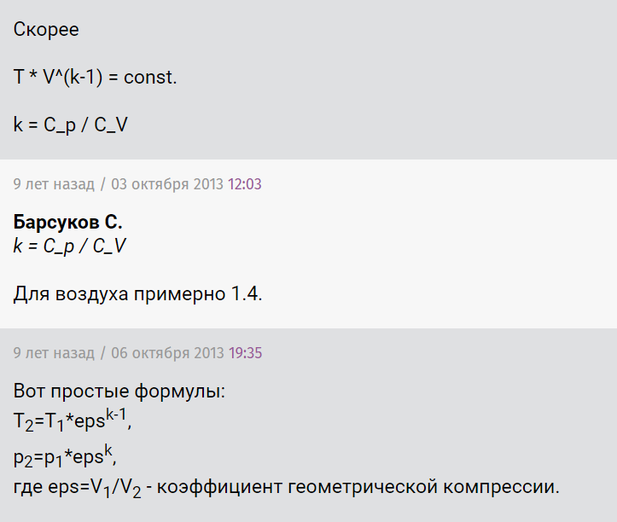
kCp_Cv
1.4

 | isotermic
 | Vend_iso
 | 12.053571429

 | dVwater_iso
 | 9.375
...
 |  | p2*V2^k=p1*V1^k | ->' | V1/V2=(p2/p1)^(1/k)
 |  | T2*V2^(k-1)=T1*V1^(k-1)

